2021-2022 Registration Form
 |  |  |  |  | 2021-2022
 | ALPINE CANADA ALPIN
 | Date |  | PARTICIPANT REGISTRATION FORM

Personal Information

 | Title |  | Last Name |  |  |  | First Name

 | Address

 | City |  |  |  |  | Postal Code

 | Province |  |  |  |  | Country

 | Phone |  |  |  |  | Email

 | Date of Birth | (DD/MM/YYYY) |  |  |  | Preffered Language

Demographic Information

 | Do you identify as a BIPOC Individual? (Black, Indigenous or person of colour?) |  |  |  | Which gender do you most identify with?

 | Do you identify as a member of the LGBTQ2SII+ community?

Minors Parent/Guardian Details
 | Last Name |  |  |  |  | First Name

 | Phone |  |  |  |  | Email

Emergency Contact Information

 | Relationship to Participant

 | Title |  | Last Name |  |  |  | First Name

 | Phone |  |  |  |  | Email

Registration Details

 | PTSO |  |  |  | Club

 | Discipline
 | For competition purposes, please select one of the following:

 | If you identify as a competitor, please select which classification you'd like to compete in:

 | Assigned sex at birth

 | Membership Type

 | Non-Competitive |  |  |  |  | Competitive

 |  |  |  |  |  | ** National license mandatory to hold international license

 | International License

 | **ALL international licensed competitors are required to undergo a thorough evaluation of their medical health prior to competition. I agree to completing a full physical and recieving clearance for competition with my medical practioner prior to FIS or IPC competition commencement
 | If no is selected, or medical clearance is NOT provided, an international license will NOT be issued. Medical clearance letters MUST be kept on file with PTSO. ** International licensing requires a minimum SAIP Insurance purchase - FIS Masters excluded
 | SAIP Insurance
 | ** Additional SAIP insurance programs may be available. Please connect with your PTSO for more information
Returning Competitors License Numbers |  |  |  | National Card ____________ | FIS Alpine ____________ | FIS Ski Cross ____________ | FIS Masters ____________ | IPC Para-Alpine ____________

Other Information

 | Never miss an update! |  |  | Sign up at alpinecanada.org for news, team updates, race results, offers and special event invites
 |  |  |  | Or, follow the teams via our social media platforms @alpinecanada or #CANSKITEAM

 | All registration forms and any other applicable documents MUST be executed in full and returned to your club/PTSO, or completed in full
 | through their online portals prior to participating in sanctioned activities. Inactive or incomplete registration may put you and the sanctioned activity at risk.

 | For further information on registration details, please connect with your club/PTSO or visit Alpine Canada's website, www.alpinecanada.org

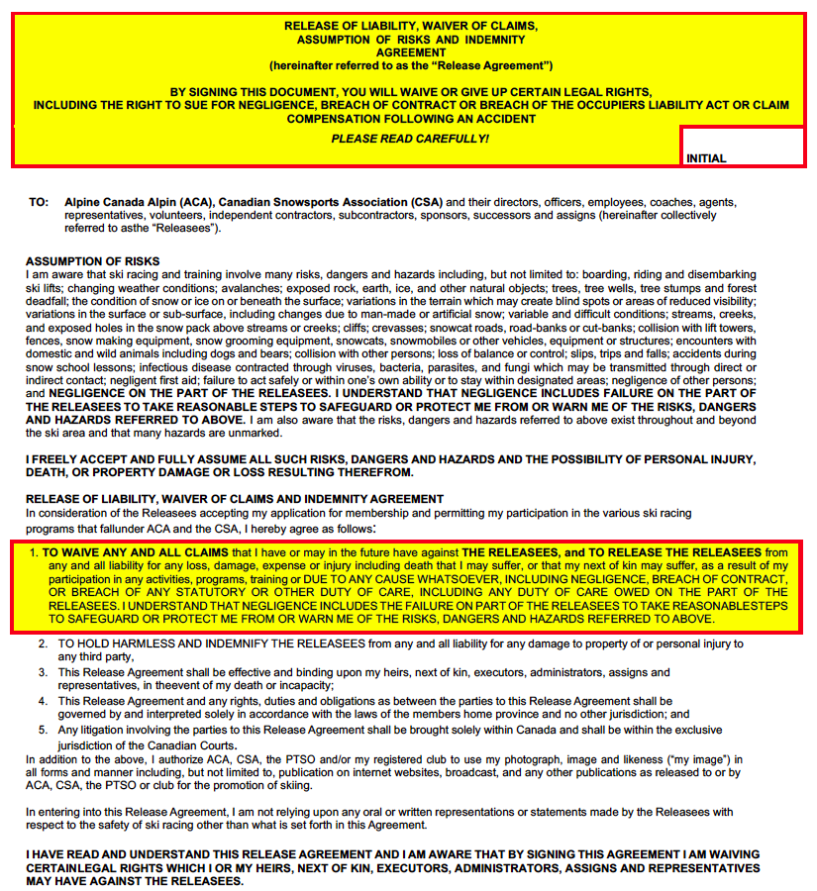

 | Signature
 | Participant Signature |  |  |  | Signature of Parent or Guardian if participant is under 19 years
 | Signature of Witness
 | Please Print Name Clearly |  |  |  | Please Print Name Clearly

